Sample Accessories
 | SEE ALL OUR ACCESSORIES & PACKAGING OPTIONS IN DETAIL BELOW
 | https://baliswim.com/swimwear-accessories-hardware-packaging/

 | ACCESSORIES DEVELOPMENT - BALI SWIM

 | YOUR BRAND:
 | YOUR NAME:
 |  |  |  |  | for BALI SWIM
 | IMAGE | ITEM | YOUR DESIGN CHOICE + NOTES | QTY | SAMPLE PRICE | TOTAL PRICE
 |  |  |  |  | USD | USD
 | 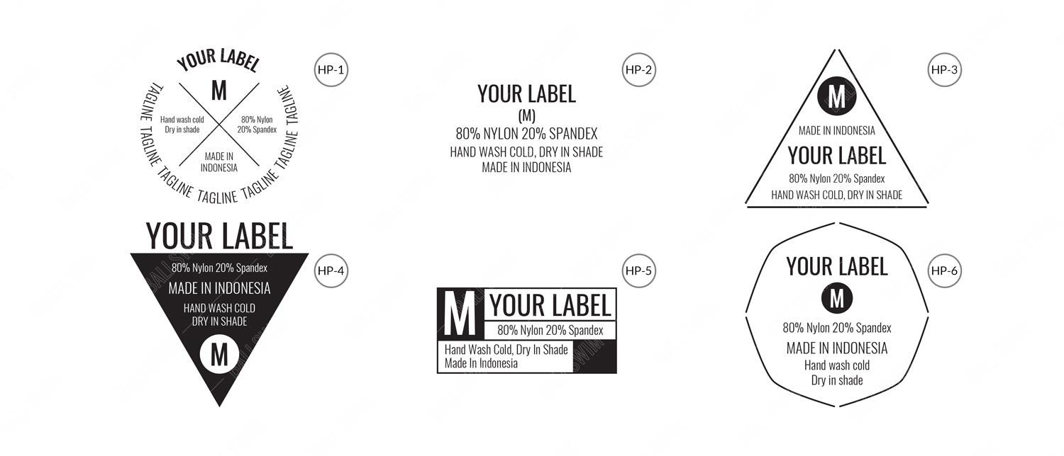 Heatpress Label | Heatpress Label |  |  |  | $-
 | 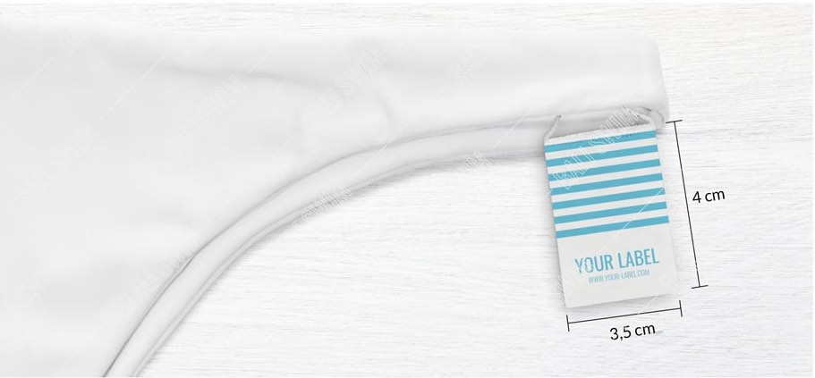 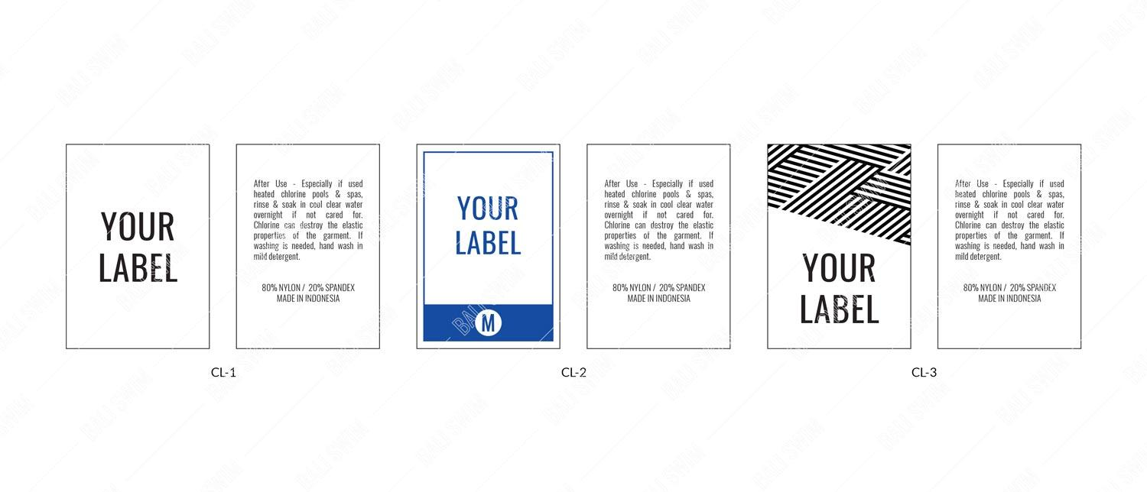 Cut-Away Label | Cut-Away Label (MOQ 200 & sold per 200 labels) |  |  |  | $-
 | 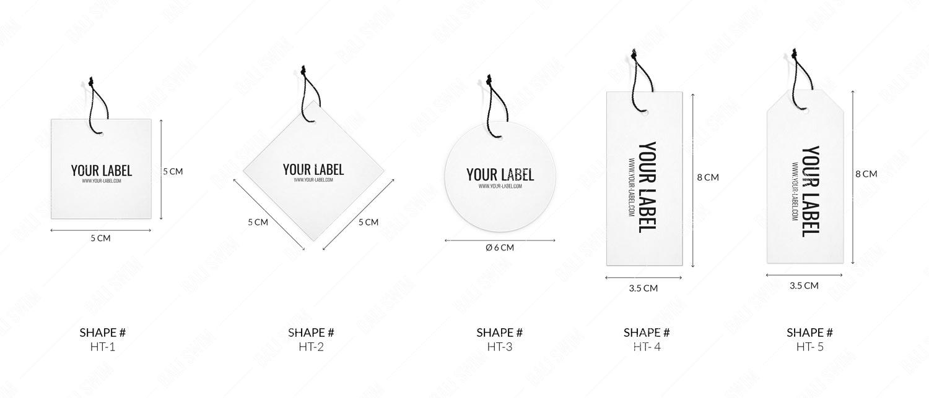 Hang Tag | Hang Tag |  |  |  | $-
 | 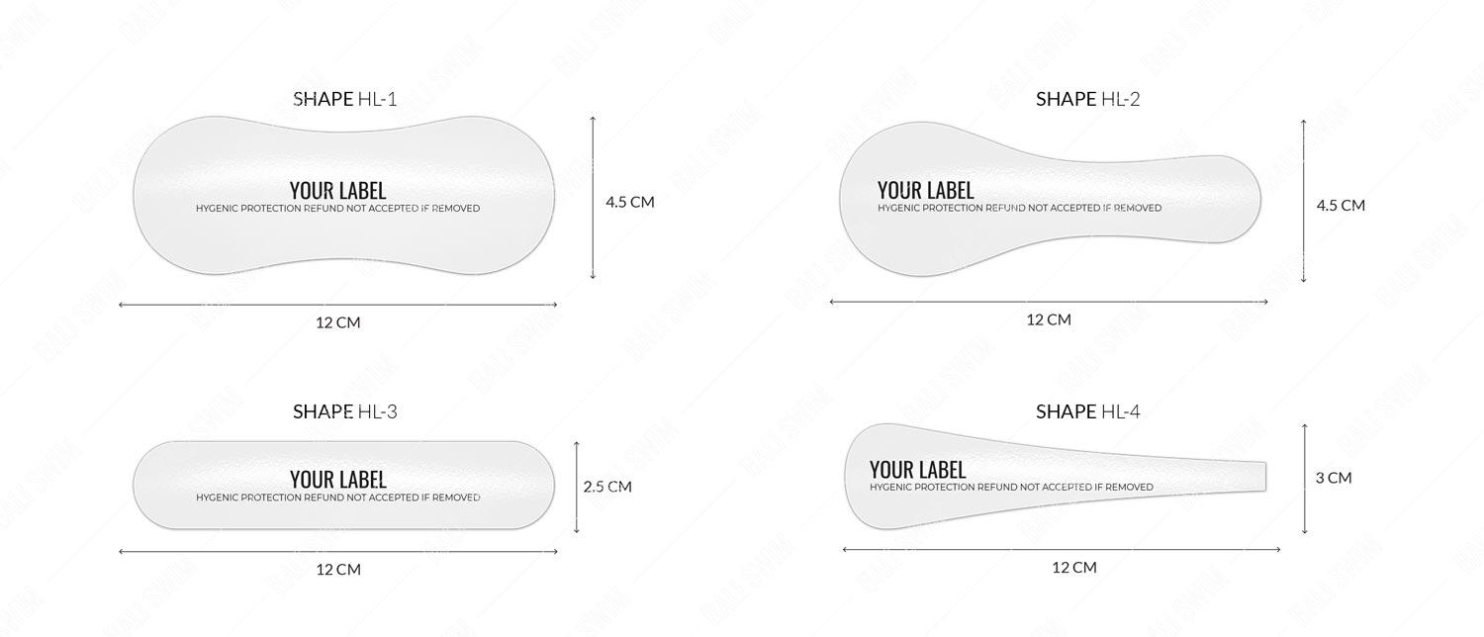 Hygiene Sticker | Hygiene Sticker (Plastic) - WITH YOUR LOGO |  |  |  | $-
 |  | Hygiene Sticker (Eco KRAFT Paper) |  |  |  | $-
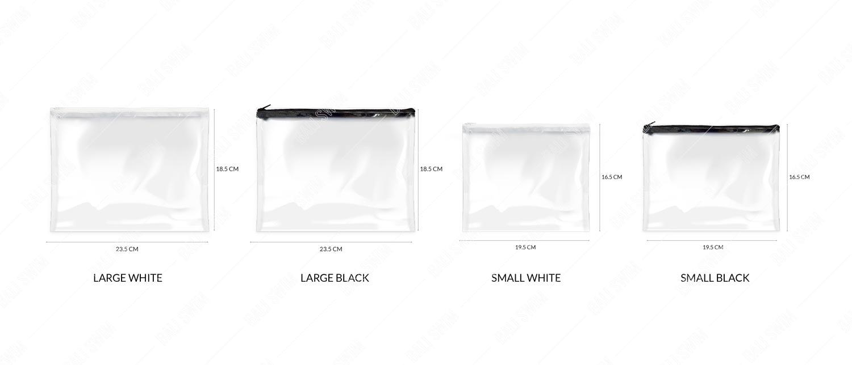 | Plastic Zipper Bag | Plastic Zipper Bag |  |  |  | $-
 | 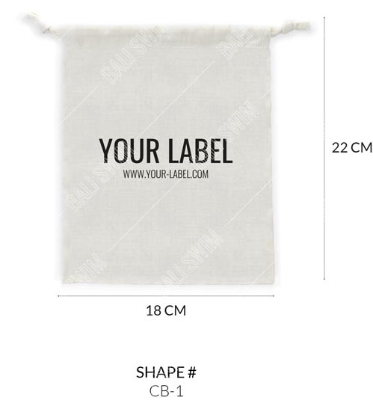 | Gift Bag: Cotton Drawstring |  |  |  | $-
 | 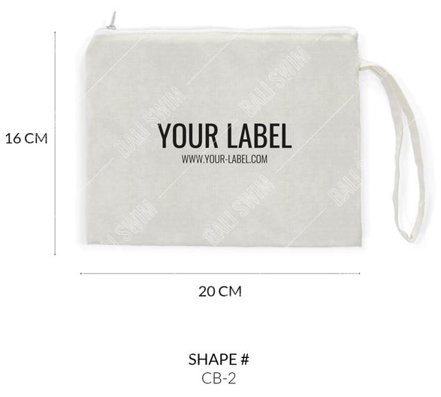 Gift Bag: Cotton Zipper | Gift Bag: Cotton Zipper |  |  |  | $-
 | 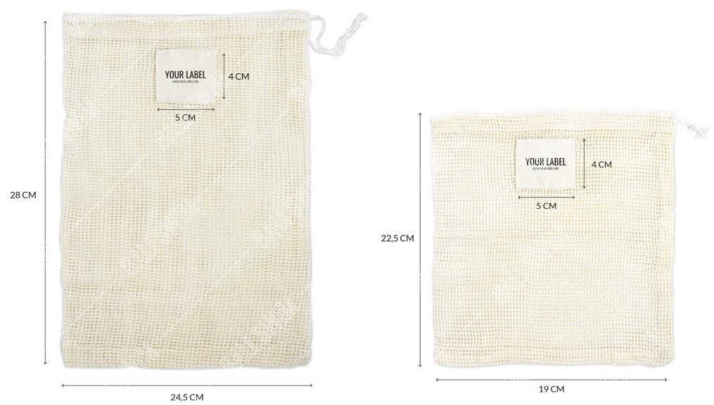 | Cotton Mesh Large |  |  |  | $-
 |  | Cotton Mesh Small |  |  |  | $-
 | 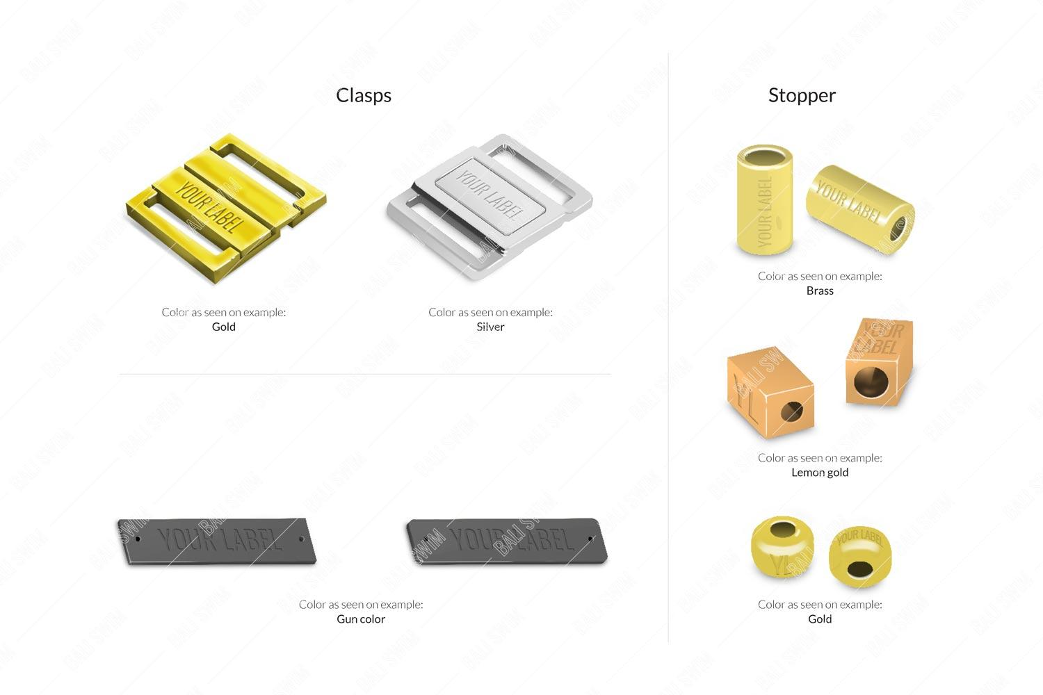 | Labelled Hardware |  |  | TBC (Sample price depends on type, material, logo etc)
 |  |  |  |  | TOTAL (US$) | $-

